Calibration Charts
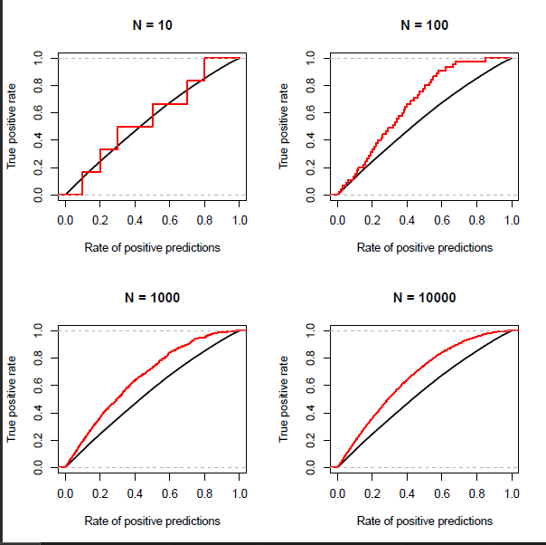
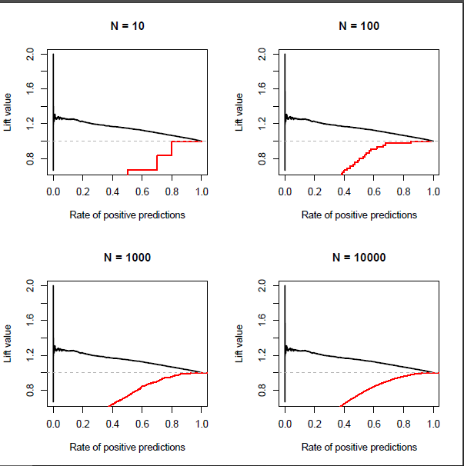
Gain Chart - Calibration | Lift Chart - Calibration

Validation Charts
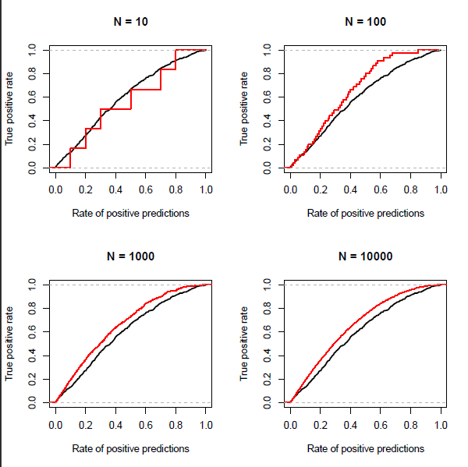
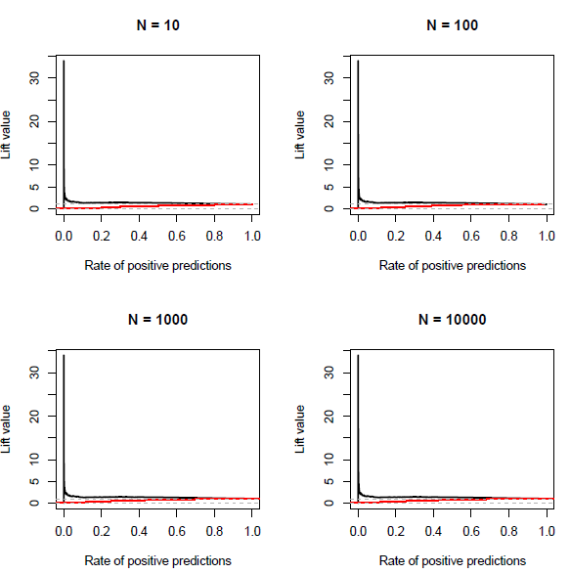
Gain Chart - Validation | Lift Chart - Validation

